General
General Input File Format
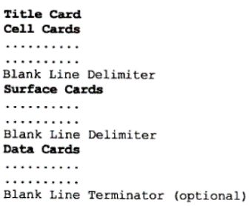

Problem Description
Details: | A Pu metal cylinder with U-reflector
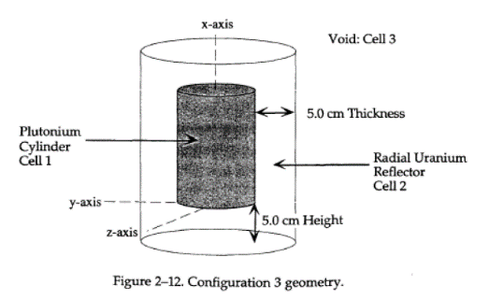
 |  | Description | Parameter | Value | Units
 |  | U Reflector | density | 18.8 | g/cc
 |  | N-239 | density | 15.00 | g/cc
 |  | Pu cyl | radius | 4.935 | cm
 |  | Pu cyl | height | 6.909 | cm
 |  | Reflector | Radius | 9.935 | cm

Cell Cards
Cell Cards
Index
Format
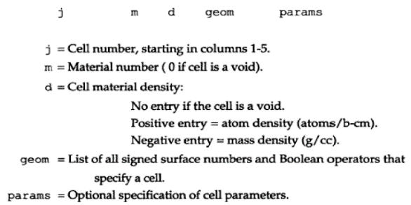

j | Comment | m | d | geom | params | importance | raw cell cards code
c | Cylinder |  |  |  |  |  | c Cylinder
1 | $ Pu cylinder | 1 | -15.00 | -1 2 -3 |  | imp:n=1 | 1 1 -15 -1 2 -3 imp:n=1 $ Pu cylinder
2 | $ Radial U reflector | 2 | -18.8 | -4 5 -6 #1 |  | imp:n=1 | 2 2 -18.8 -4 5 -6 #1 imp:n=1 $ Radial U reflector
c | Universe |  |  |  |  |  | c Universe
999 | $ Void Universe | 0 |  | 4:-5:6 |  | imp:n=0 | 999 0 4:-5:6 imp:n=0 $ Void Universe

Vised
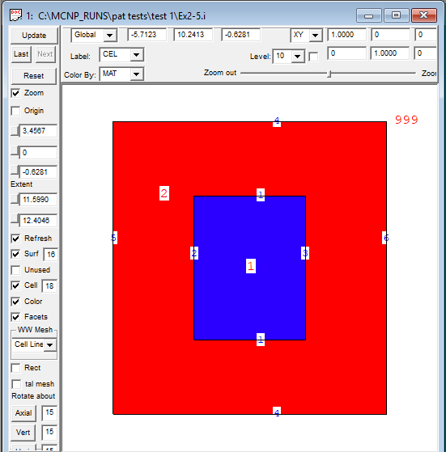
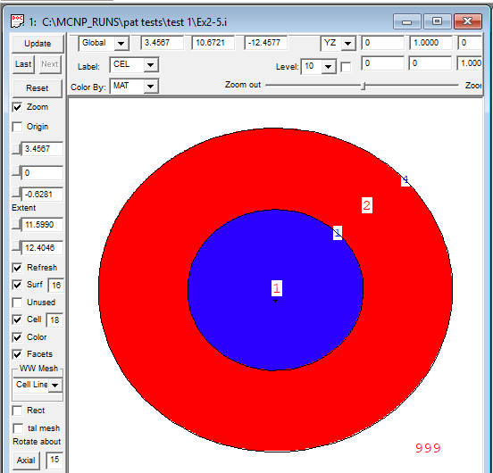
Vised
Index

Side View | Top View

